Sheet1
ITEM NO. | DESCRIPTION | MATERIAL | SIZE | COLOR | PACKING |  |  |  |  | QTY (pcs) | FOB PRICE (USD) | TTL. CBM | REMARK
 |  |  |  |  | Unit Packing | CTN SIZE (CM) | CASE PACK | CASE N.W. | CASE G.W.
FZ-505a | Neck Pillow | Filling: Polystyrene Front: 92% Polyester + 8% Spandex 180GSM Back: 100% Polyester Plush, 170GSM | 28*29 cm 115g/pc | 3 | Hangtag | 54*44*44 | 18 |  | 2.8 | 48,000 | $1.48 | 278.78
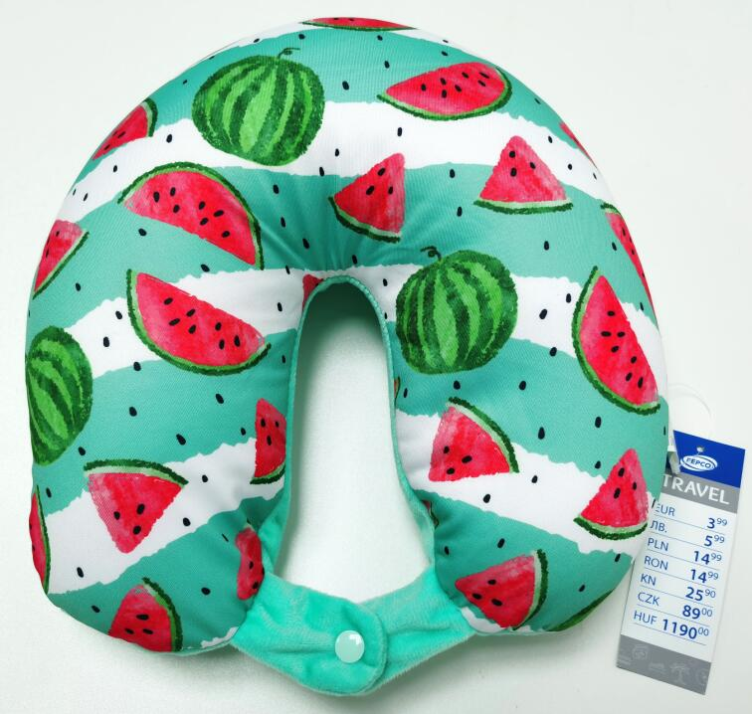
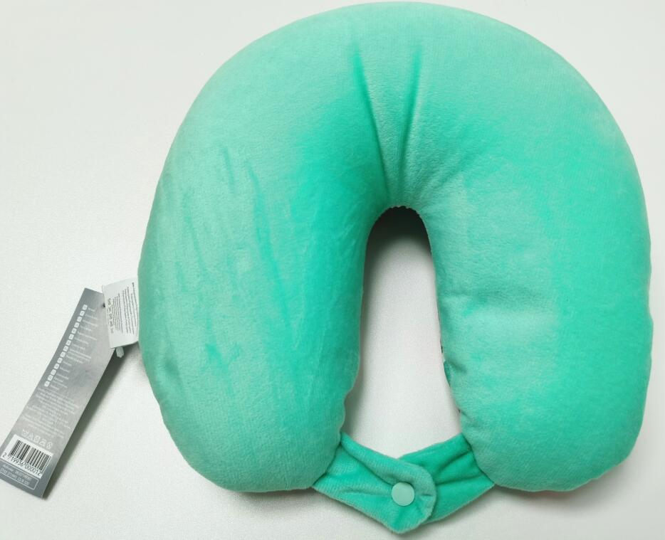
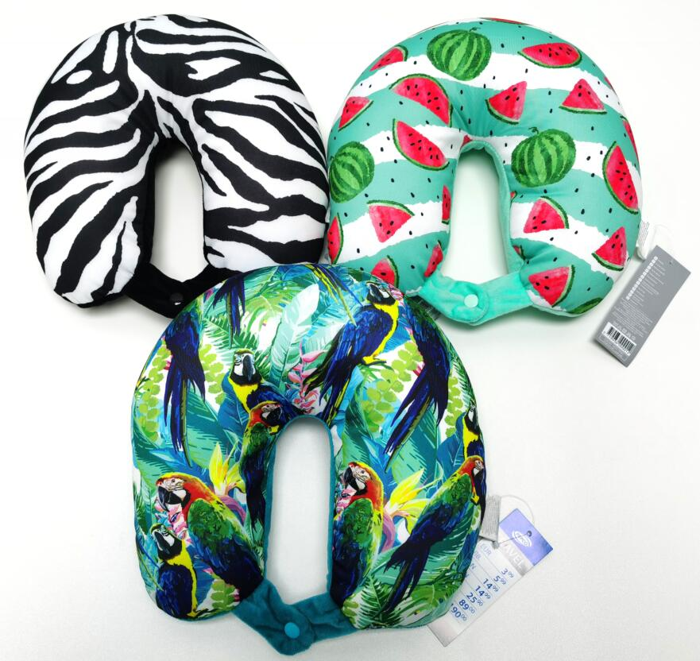

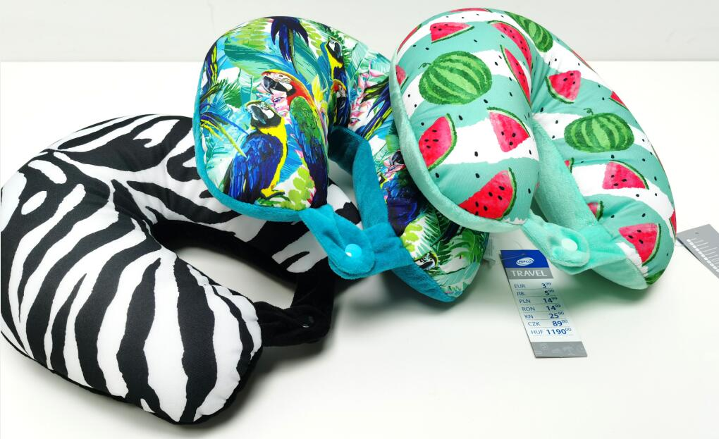
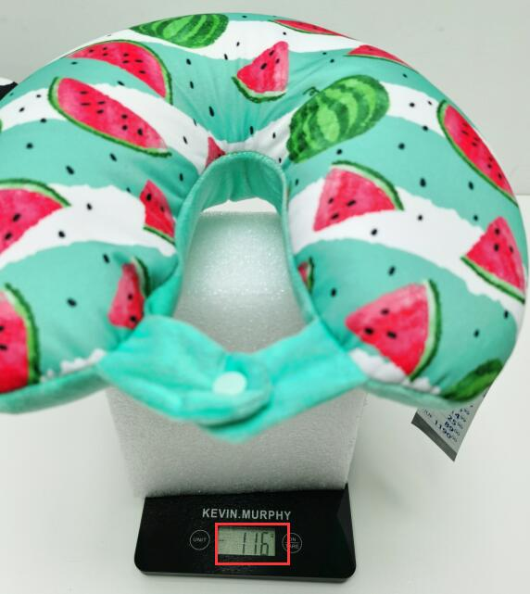
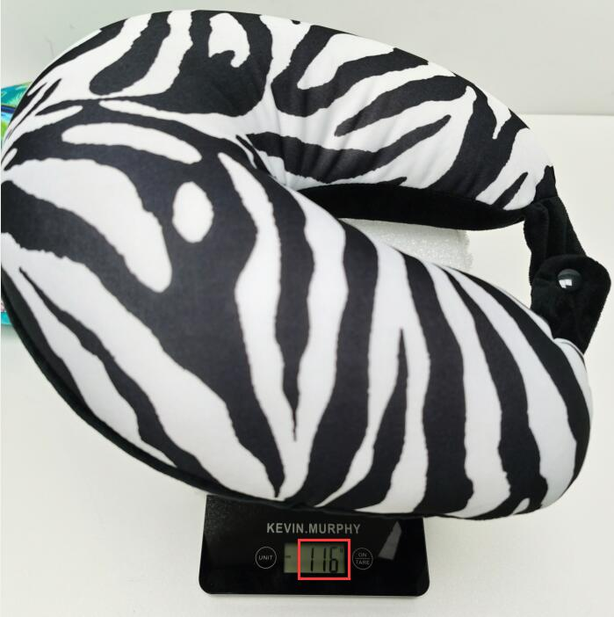
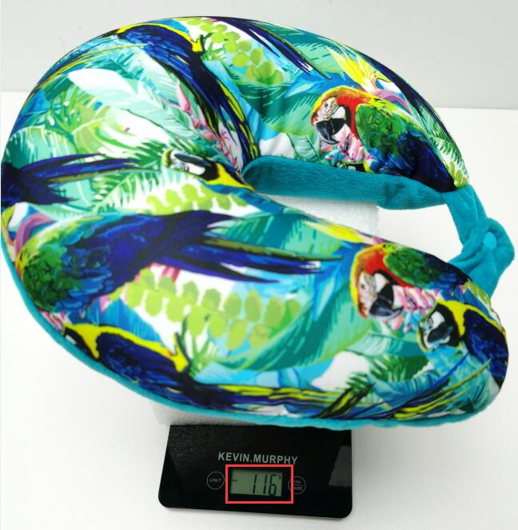

ITEM NO. | DESCRIPTION | MATERIAL | SIZE | COLOR | PACKING |  |  |  |  | QTY (pcs) | FOB PRICE (USD) | 40'HQ | REMARK
 |  |  |  |  | Unit Packing | CTN SIZE (CM) | CASE PACK | CASE N.W. | CASE G.W.
FZ-505b | Neck Pillow | Polyester+PP | 29*30cm 150~170g/pc | 6 | As pic | 49*56*28 | 12 | 1.4 | 2.5 | 220,000 | $1.78 | 10,296
